12 jan 22
Yes/no
Done!

ask!
You can interrupt me any time!!

tree
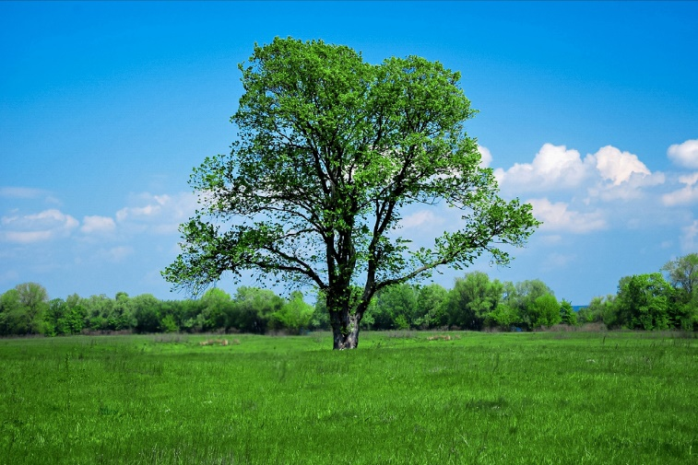
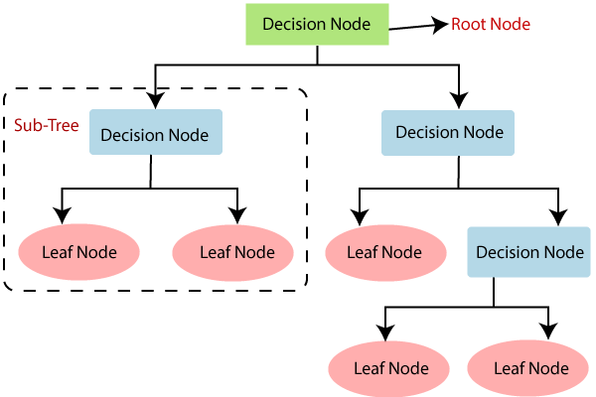
 |  |  |  |  |  | grow
 |  |  |  |  |  | decision
Root Node
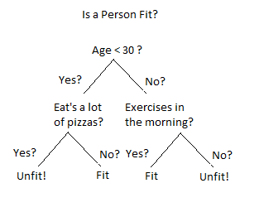

outliers, assumptions, hypo testng
10 years Kaggle competitions
majority of the winners had used
tree

 |  |  |  |  |  |  |  |  |  |  |  |  |  |  |  |  |  | age | age
logit func/Sigmoid func |  |  |  |  |  |  |  |  |  |  |  |  | Linear Reg | targetV-------Cont |  | prediction |  | 10 | 10
 |  |  |  |  |  |  |  |  |  |  |  |  | Logistic Reg | targetV-------Catg |  | classification |  | 12 | 12
 |  |  |  |  |  |  |  |  |  |  |  |  |  |  |  |  |  | 9 | 9
outliers, hypo testng, logit function, explaination of method is difficult to others
 |  |  |  |  |  |  |  |  |  |  |  |  |  |  |  |  |  | 13 | 13
 |  |  |  |  |  |  |  |  |  |  |  |  |  |  |  |  |  | 22 | 22
 |  |  |  |  |  |  | x | -x | e^-x | 1+e^-x | 1/(1+e^-x) |  |  |  |  |  |  | 23 | 123
 |  |  |  |  |  |  | -1.9 | 1.9 | 6.68457745 | 7.68457745 | 0.13013077251 |  |  |  |  |  |  | 15 | 15
 |  |  |  |  |  |  | -0.23 | 0.23 | 1.258569996 | 2.258569996 | 0.4427580291
 |  |  |  |  |  |  | 0.05 | -0.05 | 0.95123435589 | 1.9512343559 | 0.51249610124
 |  |  |  |  |  |  | 0.8 | -0.8 | 0.44936623634 | 1.4493662363 | 0.68995673759 |  | y = a + b1x1+b2x2+b3x3
 | denom = 1+ e to the power (-x) |  |  |  |  |  | 1.2 | -1.2 | 0.30123168917 | 1.3012316892 | 0.76850264893 |  | y
 |  |  |  |  |  |  |  |  |  |  |  |  | less than 0,means negative OR more than 1

 |  |  | p1 |  | p2 |  |  |  |  | 0.5 | entropy before partitioning
 |  |  | 7/10 |  | 3/10 |  |  |  | lin1 | 0.43
 |  |  |  |  |  |  |  |  | lin2 | 0.39
 |  | entropy | 0.6 |  | 0.25 |  |  |  | lin3 | 0.3 |  |  |  | Outing/Dinner
 |  |  |  |  |  |  |  |  |  |  |  |  |  | Sagar | Nithin
 | total = wtd sum = |  | 0.6*(7/10) | + | 0.25*(3/10) |  |  |  |  |  |  |  |  | busy
 |  |  |  |  |  |  |  |  |  |  |  |  |  |  |  |  |  | age
 |  |  |  |  |  |  |  | x1 | x2 | x3
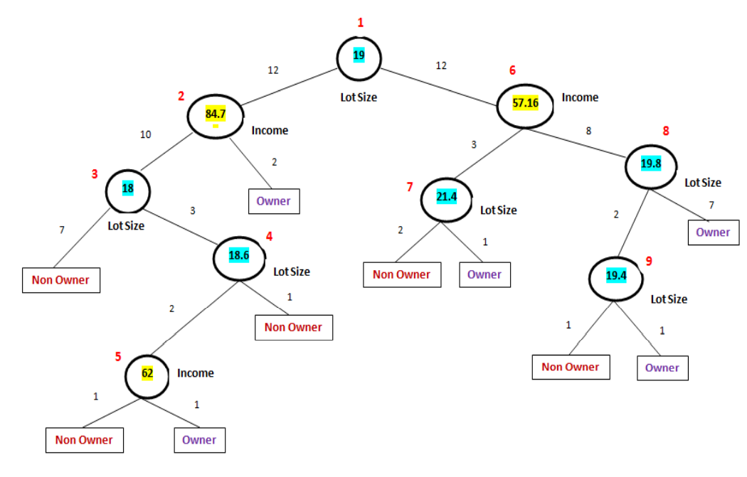

 |  |  |  |  |  |  |  |  |  | depth = 2
 |  |  |  |  |  |  |  |  |  |  | 24
 |  |  |  |  |  |  |  |  |  |  | 700
 |  |  |  |  |  |  |  |  |  |  | SIMPLE /COMPLEX
 |  |  |  |  |  |  |  |  |  |  | Large
 |  |  |  |  |  |  |  |  |  |  | Train |  | Test
 |  |  |  |  |  |  |  |  |  |  |  |  | 1 row |  |  |  | Noise
 |  |  |  |  |  |  |  |  |  |  | High |  | Low
 |  |  |  |  |  |  |  |  |  |  | OVERFITTING |  |  |  | Test
 |  |  |  |  |  |  |  |  |  |  | Train |  |  |  | shefali
 |  |  |  |  |  |  |  |  |  |  | How students behave in a Data Science class |  |  |  | green
 |  |  |  |  |  |  |  |  |  |  | 1 | interaction with the trainer
 |  |  |  |  |  |  |  |  |  |  | 2 | critical/original/creative thinking
 |  |  |  |  |  |  |  |  |  |  | 3 | hard working
 |  |  |  |  |  |  |  |  |  |  | 4 | learning from their mistakes |  |  | cutting |  | PRUNING
 |  |  |  |  |  |  |  |  |  |  |  |  |  |  | synonyms-----words which have same meaning
 |  |  |  |  |  |  |  |  |  |  | 5 | color of socks
5=1
12= 0
 |  |  |  |  |  |  |  |  |  |  | 6 | bath
 |  |  |  |  |  |  |  |  |  |  | 7 | how many times goes to res room
 |  |  |  |  |  |  |  |  |  |  | 8 | color of hairs

5=0
12= 1

13 jan 22
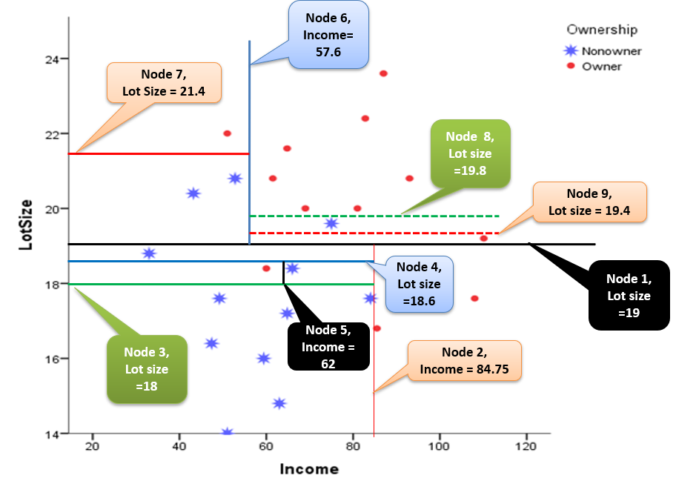
DrugR |  | BP | Age
 | 0 | 100 | 20 |  |  |  | income | lotsize
 | 0 | 120 | 16 |  |  | ndp 1 | 40 | 16 | nonowner
 | 0 | 110 | 18 |  |  | ndp2 | 100 | 22 | owner
 | 0 | 100 | 25 |  |  | ndp3
 | 0 | 95 | 36
 | 0 | 110 | 56
 | 1 | 100 | 19
 | 1 | 95 | 18
 | 1 | 120 | 30
 | 1 | 125 | 29
 | 1 | 130 | 30
 | 1 | 120 | 35

y = a + bx

Y = a + bx
 | x | Y
 | ctc | outng/mnth | pred | error | error^2
reena | 15 | 12 | 12.5 | -0.5 | 0.25
teena | 17 | 14 | 12.5 | 1.5 | 2.25
meena | 18 | 11 | 12.5 | -1.5 | 2.25
Predcted = mean = 4
jeena | 16 | 13 | 12.5 | 0.5 | 0.25
deena | 7 | 4 | 4 | 0 | 0
keena | 6 | 5 | 4 | 1 | 1
Predcted = mean = 12.5
leena | 5 | 3 | 4 | -1 | 1
qeena | 8 | 2 | 4 | -2 | 4
eena | 9 | 6 | 4 | 2 | 4
 |  |  |  | sse | 15
 |  |  |  | mse= | 1.6666666667
 |  |  |  | rmse= | 1.2909944487

HEENA | 17.5 | ??

18 20jan22
 |  | name | depth | acc |  |  |  |  |  |  | 1 | train test | random selection |  |  |  |  | variable selection
 | 1 | uddhav | 5 | 75 |  |  |  |  |  |  |  | very much sensitive towards data
 | 2 | shrret | 4 | 69 |  |  |  |  |  |  |  | little change in the data will result in big in acc
 | 3 | sagar | 5 | 67 |  |  |  |  |  |  | 2 | tree is a greedy approach
 | 4 | yash | 4 | 63 |  |  |  |  |  |  |  |  | once partition is done, it can not be reversed
 | 5 | amrutha | 5 | 60 |  |  |  |  |  |  |  |  |  | grad descent
 | 6 | srin | 5 | 70 |  |  |  |  |  |  |  |  |  |  |  | v1 | v2 | v3
 | 7 | chethan BC | 5 | 73 |  |  |  |  |  |  |  |  |  |  | 1
 | 8 | DEV | 4 | 68 |  |  |  |  |  |  | COLLECTING |  |  |  | 2
 | 9 | afsar | 5 | 70 |  |  |  |  |  |  | AGGREGATING |  |  |  | 3
 | 10 | rahul | 5 | 74 |  |  |  |  |  |  | GATHERING |  |  |  | 4
 | 11 | mita | 4 | 60 |  |  |  |  |  |  | ASSEMBLING |  |  |  | 5
 | 12 | dixit |  |  |  |  |  |  |  |  | INTEGRATING |  |  |  |  | Boot Straping
 | 13 | vijay |  |  |  |  |  |  |  |  | ENSEMBLED |  |  |  |  | orgD | D1 | D2 | D3
 |  |  |  |  |  |  |  |  |  |  |  |  |  |  |  | A | A | A | A
 |  | t1 | t2 | t3 | t4 | t5 | final dec |  |  | 500 |  | 300 |  | 200 |  | B | A | C | C
 | r1 | 1 | 0 | 0 | 0 | 1 | 0 |  |  |  |  |  |  |  |  | C | B | B | C
 | r2 | 1 | 1 | 1 | 1 | 0 | 1 |  |  |  |  |  |  |  |  | D | D1 | B | C
 | r3 | 1 | 1 | 0 | 0 | 0 | 0 |  |  |  |  |  |  |  |  | E | C | D | D

 |  | t1 | t2 | t3 | t4 | t5 | final dec |  |  |  |  |  | 9
 | r1 | 12 | 12.5 | 12.78 | 13 | 13.05 | 12.66 |  |  |  |  |  | grid search-----most reliable friend |  |  |  | hyperparametr tunning
 | r2 | 1 | 1 | 1 | 1 | 0 | 1 |  |  |  |  |  | nosVARS | sqrt(n) , log2 (n) , 0.25 , 0.5
 | r3 | 1 | 1 | 0 | 0 | 0 | 0 |  |  |  |  |  |  | depth[2,3,4,5,6,7,8,9]
optimization: Gradient Descent
 |  |  |  |  |  |  |  |  |  |  |  |  | sqrt(n) | 8
 |  |  |  |  |  |  |  |  |  |  |  |  | log2(n) | 8
 |  |  |  |  |  |  |  |  |  |  |  |  |  |  | 32
 |  |  |  |  |  |  |  |  |  |  |  |  |  | bootstrap , yes, no |  | 64
jeevan
uddhav
rahul |  |  |  |  |  |  | school |  |  | college+ |  |  | google colab

 |  |  |  |  |  |  |  | bright |  |  | bright
 |  |  |  |  |  |  | teacher | weak |  | teacher | weak | weights
 |  |  |  |  |  |  |  |  |  |  |  | 0.82 | 0 | 0
 |  |  |  |  |  |  |  |  |  |  |  | 0.82 | 0 | 0 |  |  |  |  | Good Father
 |  |  |  |  |  |  |  |  |  |  |  | 0.82 | 0 | 0 |  |  |  |  | 100
 |  |  |  |  |  |  |  |  |  |  |  | 0.82 | 0 | 0 |  |  |  |  | k1 | k2 | k3 | k4
 |  |  |  |  |  |  |  |  |  |  |  | 0.82 | 0 | 0 |  |  |  | friEv | 25 | 25 | 25 | 25
 |  |  |  |  |  |  |  |  |  |  |  | 2 | 0 | 1 | more attention
 |  |  |  |  |  |  |  |  |  |  |  | 0.82 | 1 | 1
 |  |  |  |  |  |  |  |  |  |  |  | 0.82 | 1 | 1 |  |  |  |  | Good Father
 |  |  |  |  |  |  |  |  |  |  |  | 0.82 | 1 | 1 |  |  |  |  | 100 | = care/love
 |  |  |  |  |  |  |  |  |  |  |  | 0.82 | 1 | 1 |  |  |  |  | k1 | k2 | k3 | k4
 |  |  |  |  |  |  |  |  |  |  |  | 2 | 1 | 0 | more attention |  |  | friEv | 20 | 20 | 40 | 20
 |  |  |  |  |  |  |  |  |  |  |  | 0.82 | 1 | 1
 |  |  |  |  |  |  |  |  |  |  |  | 0.82 | 1 | 1
 |  |  |  |  |  |  |  |  |  |  |  | 13 |  |  |  |  | 0.81818181818

 |  |  |  |  |  | BP | Chlstrl | Age | Prgnt | AnxtyLH | DrugR |  | BP | Chlstrl | Age | Prgnt | AnxtyLH | DrugR |  | BP | Chlstrl | Age | Prgnt | AnxtyLH | DrugR
 |  |  |  |  | 1 | 100 | 150 | 20 | 0 | 0 | 0 | 0.82 | 100 | 150 | 20 | 0 | 0 | 0 |  | 82 | 123 | 16.4 | 0 | 0 | 0
 |  |  |  |  | 1 | 120 | 160 | 16 | 0 | 0 | 0 |  | 120 | 160 | 16 | 0 | 0 | 0
 |  |  |  |  | 1 | 110 | 150 | 18 | 0 | 0 | 0 |  | 110 | 150 | 18 | 0 | 0 | 0
 |  |  |  |  | 1 | 100 | 175 | 25 | 0 | 0 | 0 |  | 100 | 175 | 25 | 0 | 0 | 0
 |  |  |  |  | 1 | 95 | 250 | 36 | 0 | 0 | 0 |  | 95 | 250 | 36 | 0 | 0 | 0
 |  |  |  |  | 1 | 110 | 200 | 56 | 0 | 1 | 0 | 2 | 110 | 200 | 56 | 0 | 1 | 0 |  | 220 | 400 | 112 | 0 | 2 | 0
 |  |  |  |  | 1 | 120 | 180 | 59 | 0 | 1 | 0 |  | 120 | 180 | 59 | 0 | 1 | 0
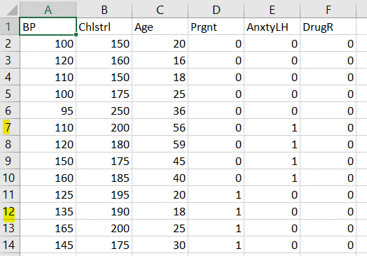
 |  |  |  |  | 1 | 150 | 175 | 45 | 0 | 1 | 0 |  | 150 | 175 | 45 | 0 | 1 | 0
 |  |  |  |  | 1 | 160 | 185 | 40 | 0 | 1 | 0 |  | 160 | 185 | 40 | 0 | 1 | 0
 |  |  |  |  | 1 | 125 | 195 | 20 | 1 | 0 | 0 |  | 125 | 195 | 20 | 1 | 0 | 0
 |  |  |  |  | 1 | 135 | 190 | 18 | 1 | 0 | 0 |  | 135 | 190 | 18 | 1 | 0 | 0
 |  |  |  |  | 1 | 165 | 200 | 25 | 1 | 0 | 0 |  | 165 | 200 | 25 | 1 | 0 | 0
 |  |  |  |  | 1 | 145 | 175 | 30 | 1 | 0 | 0 |  | 145 | 175 | 30 | 1 | 0 | 0

8feb22
 | 1 | k = ? |  |  | 1 cluster |  |  |  | 1 | sse SUM SQUARED ERROR |  |  |  | 2 clusters |  | 1 | sse SUM SQUARED ERROR
 |  | k = 2 |  |  |  |  |  |  | SUM [dist sqrd {data point and the centroid}] |  |  |  |  |  |  |  | SUM [dist sqrd {data point and the centroid}]
 | 2 | eucl between all unique pairs |  |  |  |  |  |  | 196 |  |  |  |  |  |  |  | 196
 | 3 | assign the data points to the nearest start |  |  |  |  |  |  | sse : 0 and +inf |  |  |  |  |  |  |  | sse : 0 and +inf
 | 4 | centroid of each cluster is found |  |  |  |  |  |  |  |  |  |  |  |  |  | 2 | arbitrly 2 points will be located in the space ==================25 times
 |  |  |  |  |  |  |  |  |  |  |  |  |  |  |  | a | allocate each point to either of the star
 |  |  |  |  |  |  |  |  |  |  | sse |  |  |  |  | b | black star and blue star are shifted to new centers
 |  | min max |  |  |  |  |  |  |  | 1 | 196 |  |  |  |  | c | re-allocation will happen
 |  | 1 9 |  |  |  |  |  |  |  | 2 | 152 | 44 |  |  |  | d | new centers formed, rellocation will happen….so on
 |  |  |  |  |  |  |  |  |  | 3 | 147 | 5 |  |  |  |  | till no need of re-allocation is felt
 |  |  |  |  |  |  |  |  |  | 4 | 138 | 9
 |  |  |  |  |  |  |  |  |  | 5 | 131 | 7 |  |  |  |  |  | wtd sse= | prop of black clst*sse of black clstr + prop of blue clstr*sse of blue
 |  |  |  |  |  |  |  |  |  | 6 | 129 | 2 |  |  |  |  |  |  | 4/9 | 5/9
 |  |  |  |  |  |  |  |  |  | 7 | 126 | 3 |  |  |  |  |  | 1 | 172
 |  |  |  |  |  |  |  |  |  | 8 | 124 | 2 |  |  |  |  |  | 2 | 167
 |  |  |  |  |  |  |  |  |  | 9 | 120 | 4 |  |  |  |  |  | 3 | 170
 | sse
1 | 196
2 | 152
3 | 147
4 | 138
5 | 131
6 | 129
7 | 126
8 | 124
9 | 120
 |  |  |  |  |  |  |  |  |  |  |  |  |  |  |  |  |  | 4 | 152

 |  |  |  |  |  |  |  |  |  |  |  |  |  |  |  |  |  | 25 | 165

 |  |  |  |  |  |  |  |  |  |  |  |  | no of clusters? ways and means = elbow/sil_score |  |  | Administrative ease

 |  |  |  |  |  |  |  |  |  |  |  |  |  |  | (b-a) /max(a,b)

 |  |  |  |  |  |  |  |  |  |  |  |  |  | b = 121 |  |  |  | b = 0
 |  |  |  |  |  |  |  |  |  |  |  |  |  | a = 0 |  |  |  | a = 87
 |  |  |  |  |  |  |  |  |  |  |  |  |  | (121-0)/121 = 121/121 = 1 |  |  |  | (0-87)/max(0.87) = -87/87 = -1

 | a | b | c | d | e
a | 0 | 23 | 23 | 23 | 23
b |  | 0 | 23 | 23 | 23
c |  |  | 0 | 23 | 23
d |  |  |  | 0 | 23
e |  |  |  |  | 0
 |  |  |  |  |  |  | a | hopkins stat
Ho: data is uniformly distributed |  |  |  |  |  |  | b | dist matrix
rule
if test stat <=0.5 , reject Ho
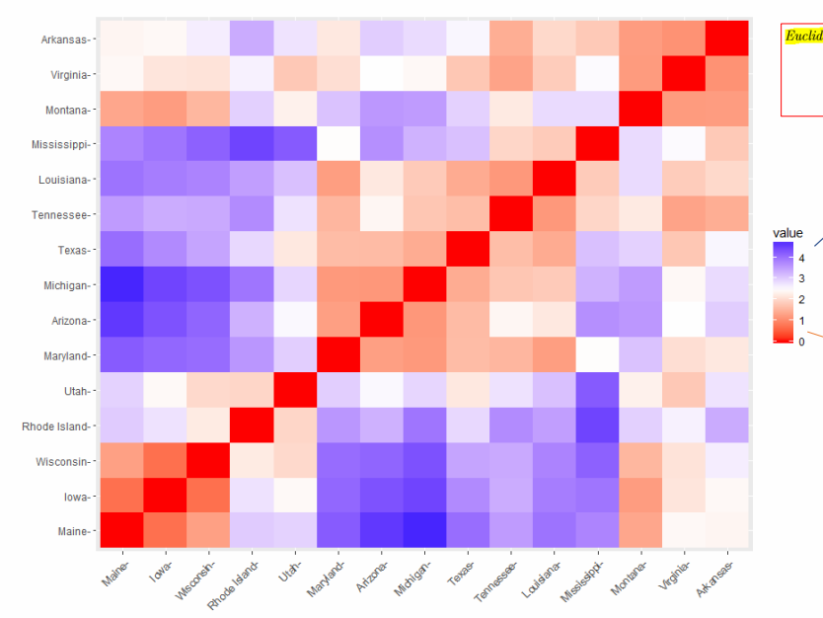
 |  |  |  |  | a | b | c | d | e
 |  |  |  | a | 0
 |  |  |  | b | 23 | 0
 |  |  |  | c | 23 | 23 | 0
 |  |  |  | d | 23 | 23 | 23 | 0
 |  |  |  | e | 23 | 23 | 23 | 23 | 0
 |  |  |  |  | test stat = 1

 | a | b | c | d | e
a | 0 | 23 | 19 | 5 | 3
b |  | 0 | 17 | 20 | 18
c |  |  | 0 | 11 | 4
d |  |  |  | 0 | 3
e |  |  |  |  | 0
 |  |  |  |  | a | b | c | d | e
 |  |  |  | a | 0
 |  |  |  | b | 23 | 0
 |  |  |  | c | 19 | 17 | 0
 |  |  |  | d | 5 | 20 | 11 | 0
 |  |  |  | e | 3 | 18 | 4 | 3 | 0
 |  |  |  |  | test stat = 0.21

 |  |  | v1 | v2 | v3 | v4
 |  |  | one way anova tukey HSD

